Sheet1
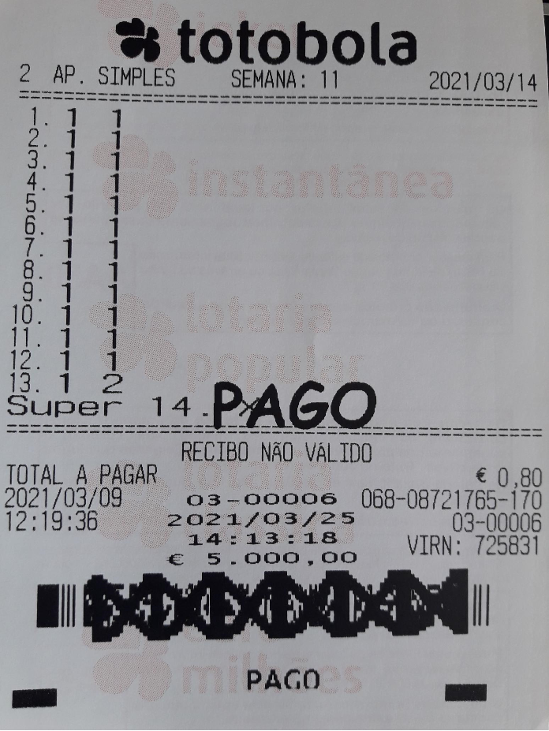
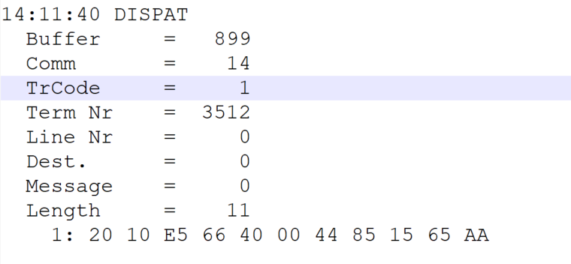
 |  |  |  |  | HEXA | BIN | DEC
TestByte |  | Size | Field Contents
Start | End
1 | 1 | 1 | Control | Sequence | 20 | Control=0010 Sequence=0000 | 2 0 | Control -> x10 - Application Message Sequence -> 0
2 | 2 | 1 | Type = 1 | Subtype = see below | 10 | Type=0001 Subtype=0000 | Type=1 Subtype=0 | Type = 1 Subtype = 0 -> Regular
3 | 4 | 2 | Checksum |  | E5 66
5 | 5 | 1 | Statistics (see below) |  | 40 | …....... | …....... | x40 = Reader Entry
6 | 7 | 2 | Wager Julian Date |  | 00 44 |  | 68 | 31+28+9=068
8 | 10 | 3 | Wager Serial Number |  | 85 15 65 |  | 8721765 | 08721765
11 | 11 | 1 | Wager Check Digits |  | AA |  | 170 | 170
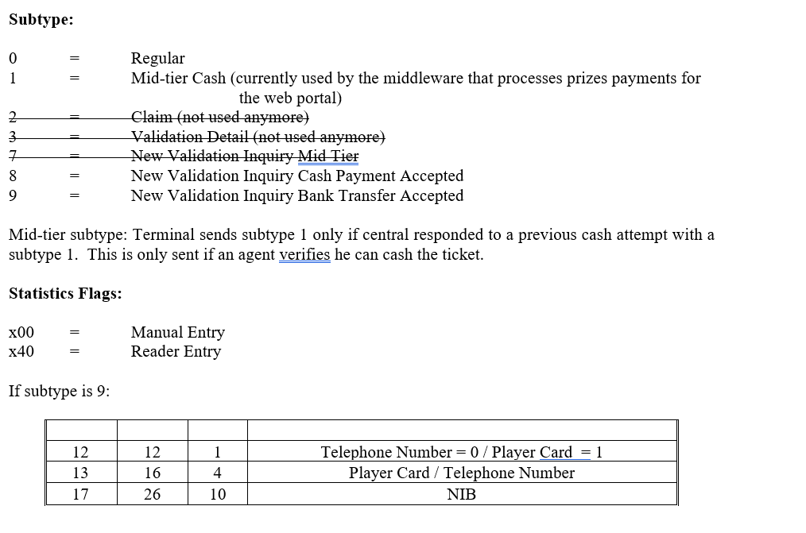

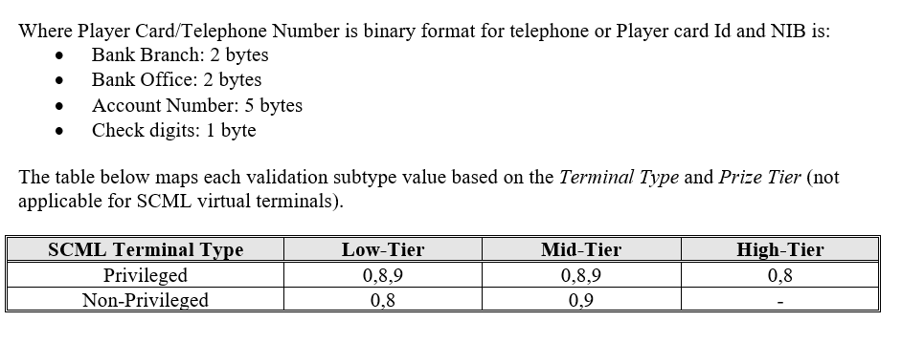

TestByte |  | Size | Field Contents
Start | End
1 | 1 | 1 | Control | Sequence | 20 | Control=0010 Sequence=0000 | 2 0 | Control -> x10 - Application Message Sequence -> 0
2 | 2 | 1 | Type = 1 | Subtype = see below | 16 | Type=0001 Subtype=0110 | Type=1 Subtype=6 | Type = 1 Subtype = 10 New Validation Inquiry Cash Payment
3 | 4 | 2 | Checksum |  | E5 4A
5 | 7 | 3 | Time |  | 0E 0B 28 |  | 14:11:40 | 14:11:40
8 | 10 | 3 | Validation Serial Number |  | F0 2A 10 |  | 15739408 | 15739408
11 | 11 | 1 | Validation Check Digits |  | 55 |  | 85 | 085
12 | 12 | 1 | Game Type |  | 02 |  | 2 | SPRT - Totobola
13 | 13 | 1 | Game Index |  | 01 |  | 1 | Normal
14 | 14 | 1 | Validation Status |  | 0A |  | 10 | 10 = No Exchange Ticket
15 | 18 | 4 | Cash Amount (Validation Units) |  | 00 07 A1 20 |  | 500000 | 500000 CENT = 5000 euros
19 | 22 | 4 | Refund Amount (Validation Units) |  | 00 07 A1 20 |  | 500000 | 500000 CENT = 5000 euros

